Essential1 - Ph2b
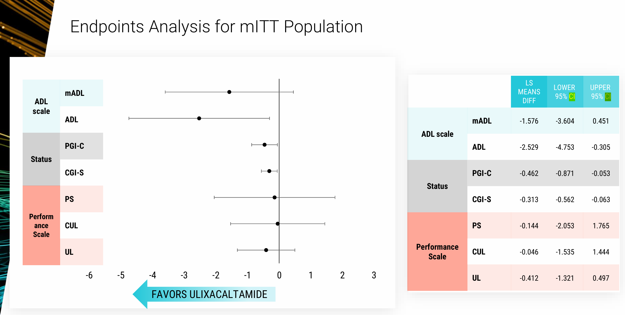
Main

 | Essential1 Phase 2b Presentation
 | A Phase 2 Randomized, Double-Blind, Placebo-Controlled Trial of PRAX-944 for the Treatment of Essential Tremor

 | Primary endpoint | Change from baseline to day 56 on The Essential Tremor Rating Assessment Scale (TETRAS) modified Activities of Daily Living (mADL) total score
 | Population | n=131
 | Duration | 8 weeks or 56 days
 | Power | 80%
 | Secondary Endpoints | - Change from baseline to Day 56 on the CGI-
 |  | - CGI-I score at Day 56
 |  | - Change from baseline to Day 56 on the TETRAS-ADL score
 |  | - Change from baseline to Day 56 on the TETRAS-PS total score
 |  | - Change from baseline to Day 56 on the TETRAS-UL score (TETRAS-PS item 4)
 |  | - Change from baseline to Day 56 on the TETRAS-CUL score (TETRAS-PS sum of items 4,6,7 and 8)
 |  | - PGI-C score at Day 56
 |  | - Change from baseline to Days 14, 28, and 42 on the Modified ADL
 |  | - Change from baseline to Days 14, 28, and 42 on the CGI-S
 |  | - Change from baseline to Days 14, 28, and 42 on the TETRAS-ADL total score
 |  | - Change from baseline to Days 14, 28, and 42 on the TETRAS-UL score
 |  | - Change from baseline to Days 14, 28, and 42 on the TETRAS-CUL score
 |  | - CGI-I and PGI-C scores at Days 14, 28, and 42
 |  | - Change from baseline to Day 42 on the TETRAS-PS total score

 | Essential1 Phase 2b Results
 | Praxis Precision Medicines Announces Topline Results from the Essential1 Study of Ulixacaltamide for the Treatment of Essential Tremor and Continued Advancement of Program to Phase 3 - Praxis Precision Medicines, Inc.
 | Essential1: Results from a Phase 2 Trial Evaluating the Tolerability, Safety, and Efficacy of Ulixacaltamidein Adults with Essential Tremor
 | Essential1 Phase 2b Study Evaluating the Efficacy and Safety of Ulixacaltamide for Essential Tremor

 | " Essential1 is a randomized, double-blind, placebo-controlled, dose-range-finding Phase 2b trial evaluating the efficacy, safety and tolerability of once-daily daytime treatment of 60 or 100 mg of
 | ulixacaltamide compared to placebo after 56 days. The primary endpoint for the study was the change from baseline to day 56 in the mADL score. A total of 132 patients with essential tremor
 | were randomized and treated in the study. "
 |  |  |  |  | Essential1 Efficacy Results |  | POST-HOC
 | Population | n=116 |  |  | (56 days) | mADL (primary endpoint) | mADL excluding PS items (mITT) | ADL (secondary endpoint)
 | ulixacaltamide | n=78 |  |  | ulixacaltamide (n=78) | -3.01 | -2.69 | -3.60
 | placebo | n=38 |  |  | placebo (n=38) | -1.44 | -0.88 | -1.07
 |  |  |  |  | p value | 0.126 | 0.042 | 0.026

 | "The rate of discontinuations due to AEs in the mITT was 12% in ulixacaltamide treated participants and 3% in placebo participants"
 | "There were no drug-related SAE (Serious Adverse Events)"

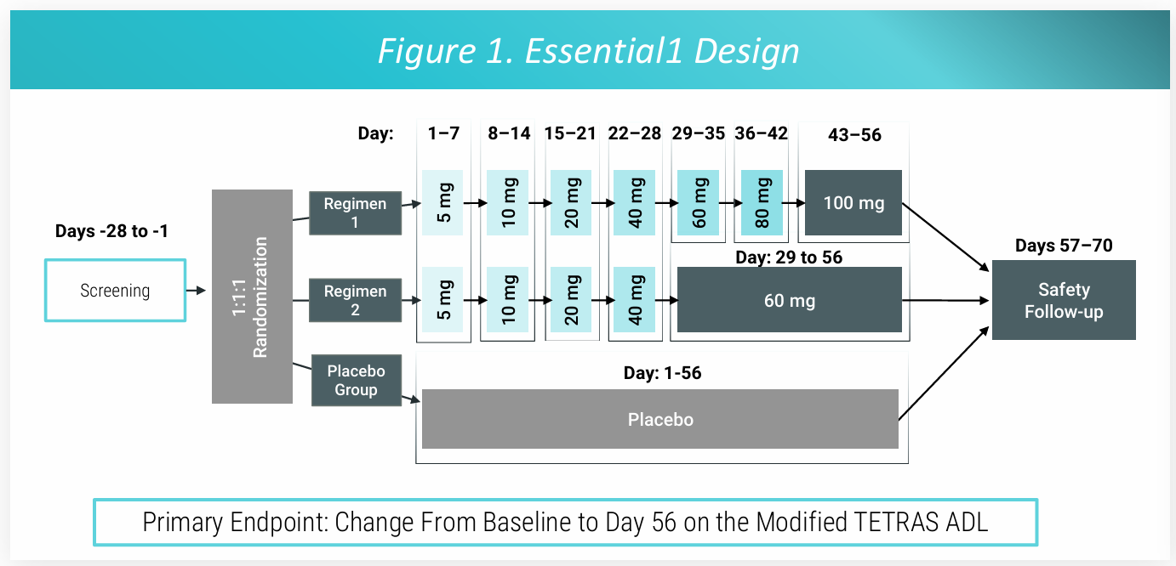
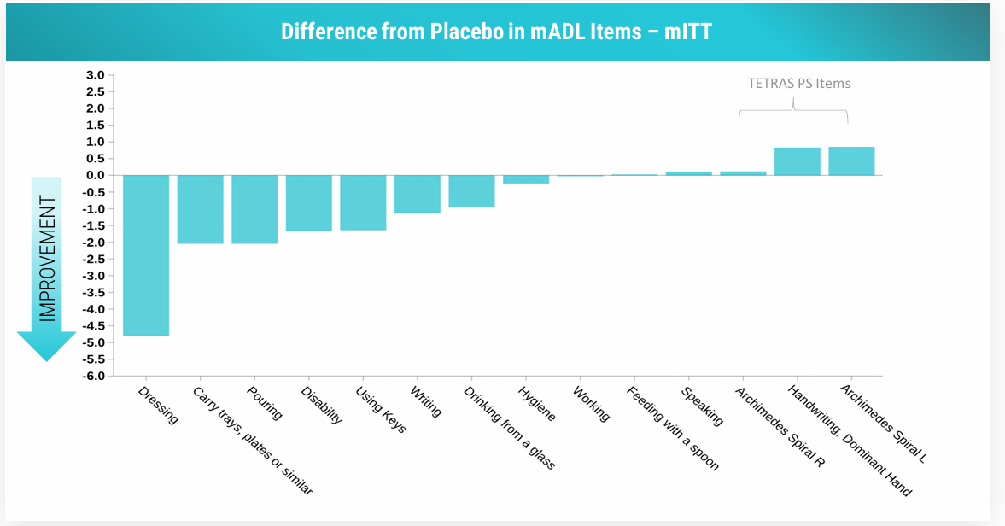
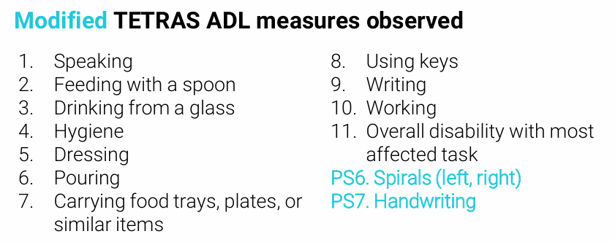

 | Baseline
 |  | ulixacaltamide (n=78) | placebo (n=38)
 | Age | 70.4 | 67.7
 | Family History of ET | 59 (76%) | 23 (61%)
 | Propanolol use | 27 (35%) | 9 (24%)
 | Duration of ET, mean | 20.3 | 20.2
 | mADL score, mean | 20.6 | 20.8
 | ADL score, mean | 29.0 | 28.6
 | mADL - PS, mean | 16.4 | 16.4

 | Withdrawal/Discontinuation

 |  | Total | AE
 | Ulixacaltamide | 13 | 9
 | Placebo | 4 | 1 | Source:
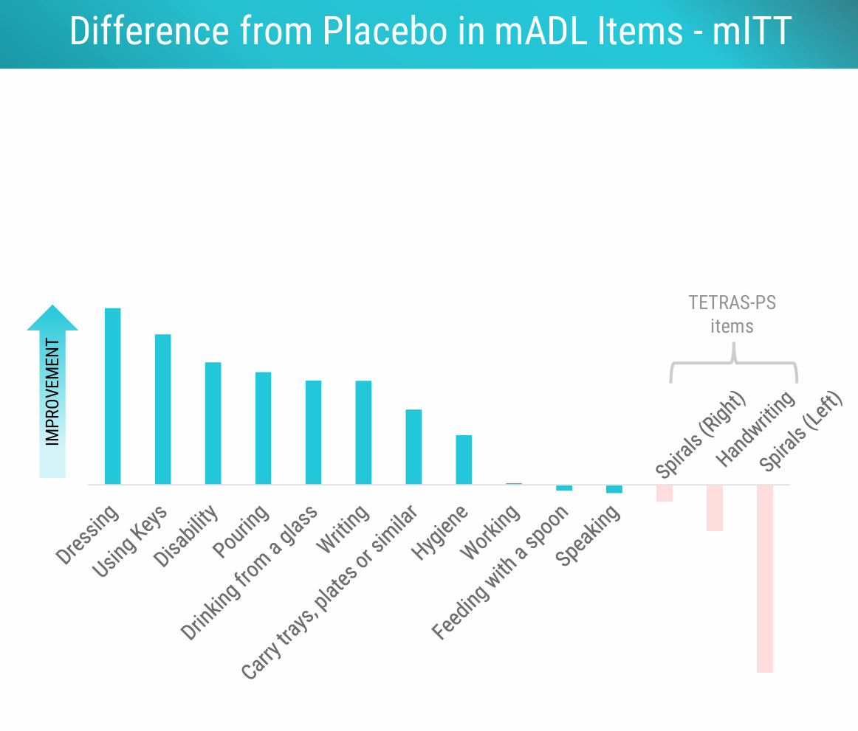
 |  |  |  | Activities of Daily Living - StatPearls - NCBI Bookshelf
 |  |  |  | The limitations of this scale are that it is a self-administered test rather than the actual demonstration of the functional task.
 |  |  |  | This may lead either to overestimation or underestimation of the ability to perform the activity.[17][18]"

 |  |  |  | Source:
 |  |  |  | Tremor Research Group Essential Tremor Rating Scale (TETRAS): Assessing Impact of Different Item Instructions and Procedures - PubMed
 |  |  |  | "The Tremor Research Group Essential Tremor Rating Scale (TETRAS) is a well-validated instrument to assess essential tremor. However, similar to all other tremor rating scales,
 |  |  |  | specific instructions for individual tasks are based mostly on expert opinion and tradition. Several tasks have multiple possible variations that have never been compared to determine if they impact score."

 |  |  |  | Spirals, Handwritting is NOT patient-reported
 |  |  |  | mADL is less trustworthy than TETRAS-ADL

 |  |  |  | ??? Why would the objective parameters "Handwritting" and "Spirrals" have had detrimental effects
 |  |  |  | Logical error, could overall functional ability be preserved while motor control was impaired?

 |  |  |  | ChatGPT's Explanation
 |  |  |  | Functional tasks (such as dressing, eating, walking) assessed in tools like the mADL often rely on gross motor
 |  |  |  | skills (large movements, strength, balance) rather than fine motor skills (such as precise hand movements
 |  |  |  | required for writing or drawing).

 |  |  |  | Fine motor tasks are more sensitive to drug effects, but improvements in tremor often mean better fine
 |  |  |  | motor function overall, though not always perfect.

Scales
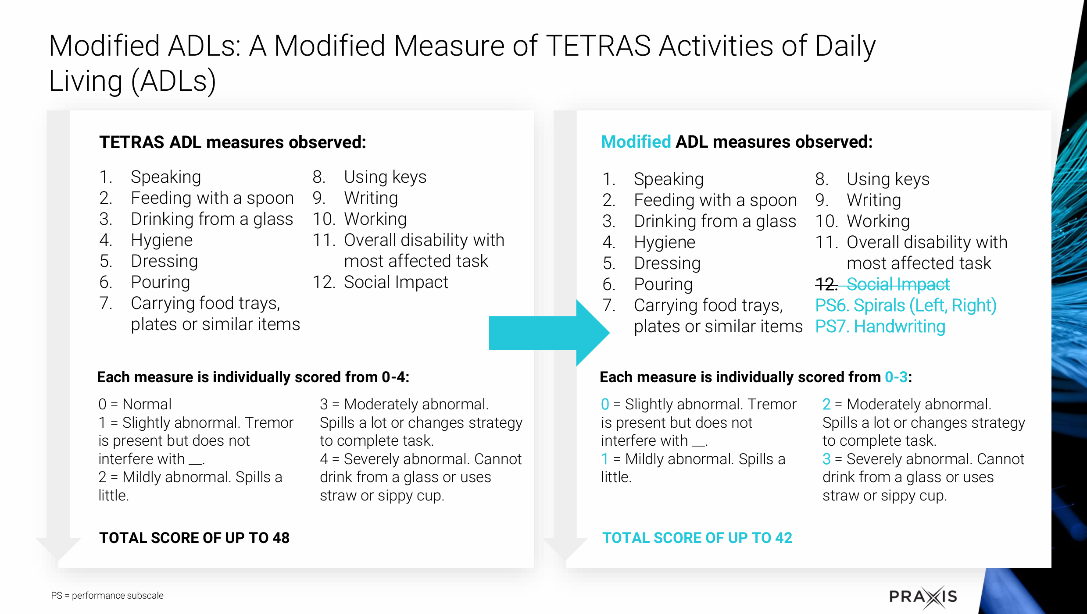
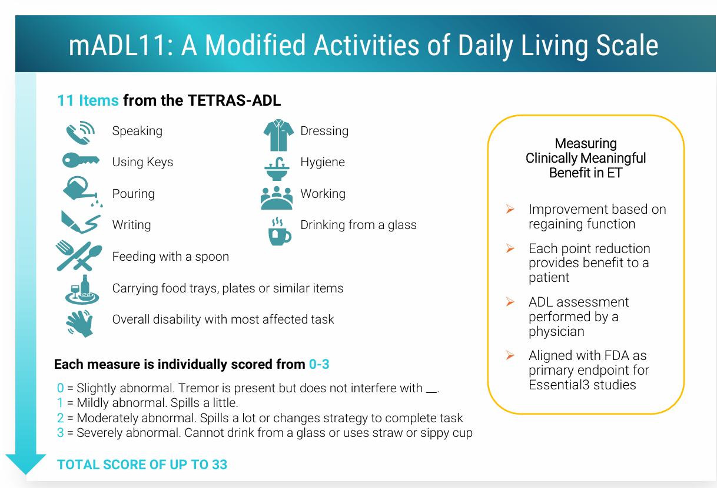
Main
 | ADL (Activities of Daily Living)
 | Generally refers to tasks and activities individuals do in their daily lives such as eating, dressing and personal hygiene. It is a concept used in many scales to assess a person's functional ability

 | TETRAS-ADL (The Essential Tremor Rating Assessment Scale - Activities of Daily Living)
 | Is a component of the brother TETRAS Scale. Specifically focuses on evaluating how essential tremor impacts daily life. Contains 12 questions
 | The Essential Tremor Rating Assessment Scale, jneurology
 | The activities of daily living section correlates strongly with the performance section

 | 1. Speaking | 2. Using Keys | 3. Pouring liquids | 4. Writing | 5. Feeding with a spoon | 6. Carrying food trays, plates or similar items

 | 7. Overall disability with most affected tasks | 8. Dressing | 9. Hygiene | 10. Working | 11. Drinking from a glass
 | The Essential Tremor Rating Assessment Scale

 | mADL11
 | Modified ADL scale that excludes question 12 of the TETRAS-ADL, leaving questions 1 through 11

 | Difference between mADL11 and mADL
 | mADL: questions are typically broad
 | mADL11: includes exactly 11 specific questions or tasks
 | mADL allows flexibility to adapt to study needs but lacks standardization
 | mADL11 provides a consistent, predefined structure, aiding in comparison accross trials

